HDFCAALFOF

HDFC Asset Allocator Fund of Funds (AN OPEN-ENDED FUND OF FUNDS SCHEME ) |  |  |  |  |  |  |  |  |  | Income | Hybrid
Portfolio as on 31-Oct-2022

 | ISIN | Coupon (%) | Name Of the Instrument | Industry+ /Rating | Quantity | Market/ Fair Value (Rs. in Lacs.) | % to NAV | Yield | ~YTC (AT1/Tier 2 bonds)
 | MONEY MARKET INSTRUMENTS
 | TREPS - Tri-party Repo
 |  |  | TREPS - Tri-party Repo |  |  | 3,354.92 | 1.45 | 6.1359
 | Reverse Repo
 |  |  | Reverse Repo |  |  | 3,768.06 | 1.62 | 6.1479
 | Sub Total |  |  |  |  | 7,122.98 | 3.07
 | Total |  |  |  |  | 7,122.98 | 3.07
 | OTHERS
 | Mutual Fund Units
 | INF179K01UT0 |  | HDFC Flexi Cap Fund - Direct Plan- Growth Option |  | 3,346,960 | 40,832.71 | 17.60
 | INF179K01YV8 |  | HDFC Top 100 Fund - Direct Plan - Growth Option |  | 5,070,928 | 40,239.83 | 17.34
 | INF179K01YM7 |  | HDFC Short Term Debt Fund - Growth Option - Direct Plan |  | 119,739,907 | 31,932.24 | 13.76
 | INF179K01VF7 |  | HDFC Low Duration Fund - Direct Plan - Growth Option |  | 58,043,839 | 29,613.33 | 12.76
 | INF179KC1981 |  | HDFC Gold Exchange Traded Fund |  | 60,600,000 | 26,924.58 | 11.60
 | INF179K01XQ0 |  | HDFC Mid Cap Opportunities Fund - Direct Plan - Growth Option |  | 9,163,232 | 9,967.52 | 4.30
 | INF179KA1RW5 |  | HDFC Small Cap Fund - Direct Plan- Growth Option |  | 11,586,567 | 9,917.89 | 4.27
 | INF179K01VC4 |  | HDFC Capital Builder Value Fund - Direct Plan - Growth Option |  | 1,825,288 | 9,041.48 | 3.90
 | INF179KC1AO6 |  | HDFC Dividend Yield Fund - Direct Plan - Growth Option |  | 57,072,895 | 8,958.10 | 3.86
 | INF179KA1RQ7 |  | HDFC Large and Mid Cap Fund - Direct Plan- Growth Option |  | 4,332,197 | 8,868.10 | 3.82
 | INF179K01VQ4 |  | HDFC Floating Rate Debt Fund - Direct Plan - Growth Option |  | 21,459,019 | 8,841.74 | 3.81
 | Net Current Assets
 |  |  | Net Current Assets |  |  | -224.54 | -0.09
 | Sub Total |  |  |  |  | 224,912.98 | 96.93
 | Total |  |  |  |  | 224,912.98 | 96.93

 | Grand Total |  |  |  |  | 232,035.96 | 100.00
| | Top Ten Holdings
 | + Industry Classification as recommended by AMFI
 | £ Sponsor
 | ** Thinly Traded/ Non-Traded Securities (Equity) as on October 31, 2022
 | ^ Non-Traded Securities (Debt) as on October 31, 2022
 | # Non Sensex Scrips
 | @ Less than 0.01%.
 | ~ YTC i.e. Yield to Call is disclosed at security level only for Additional Tier 1 Bonds and Tier 2 Bonds issued by Banks as per AMFI Best Practices Notification 135/BP/91/2020-21 read with SEBI circular SEBI/HO/IMD/DF4/CIR/P/2021/034

 | Portfolio Classification by Asset Class(%)
 | Mutual Fund Units |  | 97.02
 | Cash, Cash Equivalents and Net Current Assets |  | 2.98
 | Portfolio Classification by Rating Class(%)
 | Cash, Cash Equivalents and Net Current Assets |  | 100.00

 | Notes :
 | 1) NAV History
 | NAVs per unit (Rs.) | October 31, 2022 | September 30, 2022
 | IDCW Option | 12.05 | 11.71
 | IDCW Option - Direct Plan | 12.29 | 11.92
 | Growth Option | 12.05 | 11.71
 | Growth Option - Direct Plan | 12.29 | 11.92

 | Dividend History - Dividend declared during the month ended October 31, 2022 : Nil
 | Bonus History - Bonus declared during the month ended October 31, 2022 : Nil

 | 2) Total below investment grade or default provided for and its percentage to NAV : Nil
 | 3) Total investments in Foreign Securities / Overseas ETFs / ADRs / GDRs : Nil
 | 4) Repo in Corporate Debt : Nil
 | 5) Total outstanding exposure in Derivative Instruments as on Oct 31, 2022 : Nil
 | 6) Pursuant to SEBI Circular SEBI/HO/IMD/DF3/CIR/P/2020/194 dated October 05, 2020, name of all the existing dividend plan / option of all mutual fund schemes has been renamed as IDCW (Income Distribution cum Capital Withdrawal) Plan / Option with effect from April 01, 2021
 | 7) Riskometer based on Scheme Portfolio and Portfolio Benchmark "90% NIFTY 50 Hybrid Composite Debt 65:35 Index (Total Returns Index) and 10% Domestic Prices of Gold arrived at based on London Bullion Market Association's (LBMA) AM fixing price" as on Oct 31, 2022

 | Scheme Riskometer:
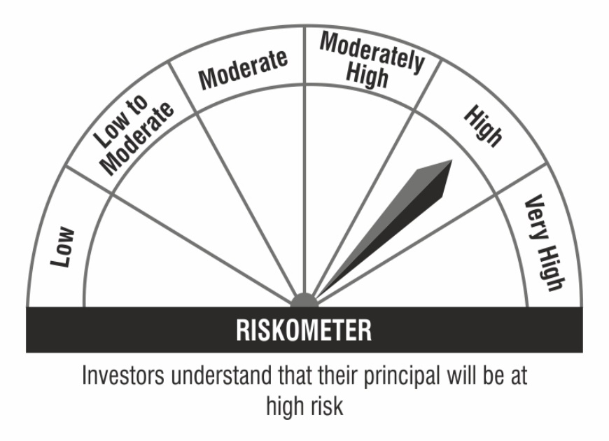

 | Benchmark Riskometer:

